V7118 - PSYD LIFETIME - e 35%
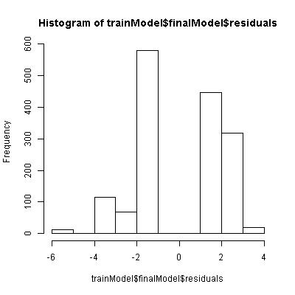
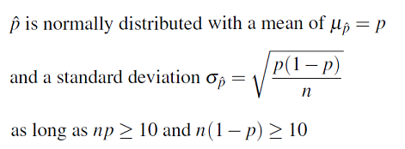
Predictor Effect Plots of response term based on fixed means of other predictor terms
 |  |  |  |  |  |  |  |  |  |  |  |  |  |  |  | V8502,3,"LIFE MEANINGLESS",5 | V8512,3,"SATISFD W MYSELF",5 | V7562,2,"#HR TEXT",7 | V8526,3,"OFTN EAT BRKFST",4 | V8509,3,"FUTURE HOPELESS",5
 |  |  |  |  |  |  |  |  |  |  |  |  |  |  | 1 | 0.60910598845 | 0.64354891356 | 0.77145248432 | 0.41117293905 | 0.67407761195
 |  |  |  |  |  |  |  |  |  |  |  |  |  |  | 0 | 0.49017772289 | 0.47136661523 | 0.44081895052 | 0.51973758222 | 0.48748410909

Influencers
 |  |  |  |  |  |  |  |  |  |  |  |  |  |  |  | V8502,3,"LIFE MEANINGLESS",5 | V8512,3,"SATISFD W MYSELF",5 | V7562,2,"#HR TEXT",7 | V8526,3,"OFTN EAT BRKFST",4 | V8509,3,"FUTURE HOPELESS",5
 |  |  |  |  |  |  |  |  |  |  |  |  |  |  |  | 0.11892826556 | 0.17218229833 | 0.3306335338 | -0.10856464318 | 0.18659350286
 |  |  | 1 | 1 | 1 | 1 | 1
 |  |  | x1 | x2 | x3 | x4 | x5 |  |  |  |  |  |  | [1] 11040
 | Y | Intercept | V8502,3,"LIFE MEANINGLESS",5 | V8512,3,"SATISFD W MYSELF",5 | V7562,2,"#HR TEXT",7 | V8526,3,"OFTN EAT BRKFST",4 | V8509,3,"FUTURE HOPELESS",5 |  | Linear Equations |  |  |  |  | [1] 11040
Mean | 0.5 |  | 0.137 | 0.2006 | 0.182 | 0.119 | 0.09904 |  | x1 | x2 | x3 | x4 | x5 | [1] "Pop model applied to pop:" "0.5985"
Coeff |  | -0.4703 | 0.48285 | 0.70546 | 1.45437 | -0.43811 | 0.77676 | 1 | 0.4435558364 | 0.5908010104 | 1.2165309464 | -0.3591186236 | 0.726685976 | [1] "RMSE: " "0.5985"
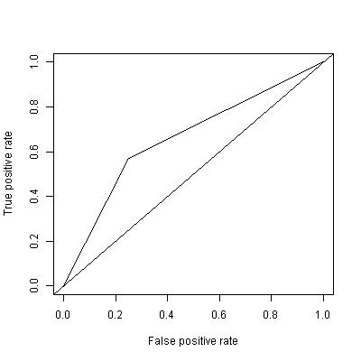
 |  |  |  |  |  |  |  | 0 | -0.0392941636 | -0.1146589896 | -0.2378390536 | 0.0789913764 | -0.050074024 | [1] "error: " "0.3582"
 | MC |  |  |  |  |  |  |  |  |  |  |  |  | [1] 11040
 |  |  |  |  |  |  | Deviance Residuals: |  |  |  |  |  |  | [1] 11040
 |  |  |  |  |  |  | Min 1Q Median 3Q Max |  |  |  |  |  |  | [1] "Conf Matrix: Pop CV (overfitted) model applied to pop data"
 |  |  |  |  |  |  | -1.8424 -0.9853 0.6362 1.0793 1.5793 |  |  |  |  |  |  | [1] 11040
 |  |  |  |  |  |  |  |  |  |  |  |  |  | 0 1
 |  |  |  |  |  |  | Coefficients: |  |  |  |  |  |  | 0 0.4413 0.1079
 |  |  |  |  |  |  | Estimate Std. Error z value Pr(>|z|) |  |  |  |  |  |  | 1 0.2504 0.2005
 |  |  |  |  |  |  | (Intercept) -0.47030 0.07155 -6.573 4.94e-11 *** |  |  |  |  |  |  | [1] 11040
 |  |  |  |  |  |  | V8502 0.48285 0.19551 2.470 0.013522 * |  |  |  |  |  |  | [1] 11040
 |  |  |  |  |  |  | V8512 0.70546 0.14708 4.796 1.61e-06 *** |  |  |  |  |  |  | [1] "MC model applied to pop:" "0.5925" |  |  |  |  |  |  | V7562 | #4 3-5 Hours Texting # 95% conf confirmed
 |  |  |  |  |  |  | V7562 1.45437 0.15153 9.598 < 2e-16 *** |  |  |  |  |  |  | [1] "RMSE: " "0.5925"

 |  |  |  |  |  |  | V8526 -0.43811 0.17915 -2.446 0.014463 * |  |  |  |  |  |  | [1] "error: " "0.3511"
 |  |  |  |  |  |  | V8509 0.77676 0.22934 3.387 0.000707 *** |  |  |  |  |  |  | [1] "Conf Matrix: MC model applied to Pop data"
 |  |  |  |  |  |  | --- |  |  |  |  |  |  | [1] 11040
 |  |  |  |  |  |  | Signif. codes: 0 ‘***’ 0.001 ‘**’ 0.01 ‘*’ 0.05 ‘.’ 0.1 ‘ ’ 1 |  |  |  |  |  |  | 0 1
 | Pop |  |  |  |  |  |  |  |  |  |  |  |  | 0 0.4014 0.1478
 |  |  |  |  |  |  | (Dispersion parameter for binomial family taken to be 1) |  |  |  |  |  |  | 1 0.2033 0.2476

 |  |  |  |  |  |  | Null deviance: 2155.6 on 1554 degrees of freedom
 |  |  |  |  |  |  | Residual deviance: 2007.7 on 1549 degrees of freedom
 |  |  |  |  |  |  | AIC: 2019.7

 |  |  |  |  |  |  | Number of Fisher Scoring iterations: 4

